F-16 Presets
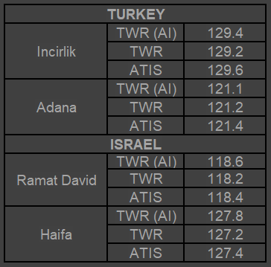
F-16C presets (TRMT) V1.0

COMM 1 (UHF) |  |  |  | COMM 2 (VHF)
1 |  |  | Internal PRI | 1 |  |  | Internal SEC
2 | 231.500 | GREEN 7 | Check-in | 2 | 129.6 | ATIS | Incirlik
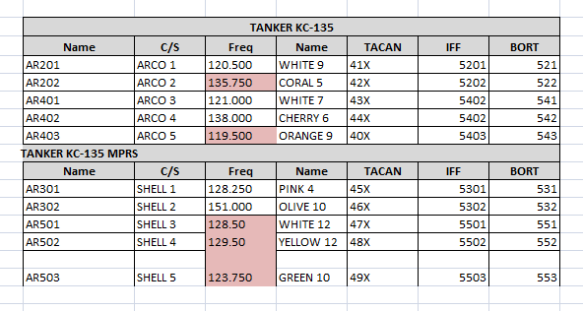
3 | 228.000 | ORANGE 10 | In flight Report net | 3 | 129.2 | TWR | Incirlik
4 | 235.250 | GREY 6 | Tactical 1 | 4 | 118.4 | ATIS | Ramat David | Gazipasa?
5 | 234.500 | PINK 9 | Tactical 2 | 5 | 118.2 | TWR | Ramat David
6 | 248.000 | GRAY 2 | Tactical 3 | 6 | 125.000 | BLUE 11 | Tactical 12
7 | 229.000 | GREEN 4 | Tactical 4 | 7 | 140.250 | RED 1 | Tactical 13
8 | 238.750 | AMBER 2 | Tactical 5 | 8 | 139.250 | MAROON 1 | Tactical 14
9 | 230.750 | LIME 5 | Tactical 6 | 9 | 130.750 | VIOLET 7 | Tactical 15
10 | 245.500 | GOLD 11 | Tactical 7 | 10 | 122.250 | GRAY 10 | AWACS VHF Back-up
11 | 234.250 | LEMON 9 | Tactical 8 | 11 | 120.500 | WHITE 9 | AR601 TEXACO | AR201
12 | 227.500 | YELLOW 1 | Tactical 9 | 12 | 136.100 | VIOLET 11 | AR701 ARCO1 | AR202
13 | 235.000 | WHITE 11 | Tactical 10 | 13 | 121.000 | WHITE 7 | AR702 ARCO2 | AR401
14 | 238.000 | PINK 11 | Tactical 11 | 14 | 138.000 | CHERRY 6 | AR703 ARCO3 | AR402
15 | 235.500 | GOLD 7 | WARRIOR SEC | 15 | 119.250 | RED 11 | WARRIOR PRI | AR403
16 | 242.250 | ORANGE 2 | SPARTAN SEC | 16 | 136.750 | OCHRE 8 | SPARTAN PRI
17 | 240.000 | VIOLET 1 | GARFIELD SEC | 17 | 127.750 | PURPLE 11 | GARFIELD PRI
18 | 248.750 | GREEN 6 | Alert Frequncy | 18 |  |  |  | Akratori
19 | 233.000 | PINK 1 | CSAR Freq | 19 |  |  |  | Sanliurfa
20 | 301.0 |  | MAGIC AI | 20

 |  |  |  |  |  |  |  |  | UHF 20 | VHG

AJS-37 Presets
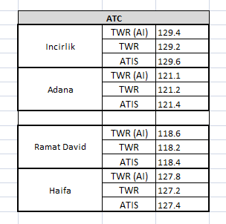
AJS-37 Viggen presets OPAR v1.0
 | VIGGEN based at KUTAISI/SENAKI
 |  | Function | Frequency | Name
 | Special 1 | TWR | 129.2
 | Special 2 | Internal | 135.250 | GREY 7
 | Special 3 | Tactical 13 | 140.25 | RED 1
 | E | Tactical 12 | 125.0 | BLUE 11
 | F | Tactical 11 | 238.0 | PINK 11
 | G | Internal | 118.75 | WHITE 8
 | H (GUARD) | GUARD | 243.000

